Pivot Tables
Row Labels | Average of Max Temp (°F) | Average of Min Temp (°F)
Jan | 19 | 10
Feb | 31 | 17
Mar | 40 | 25
Apr | 52 | 35
May | 64 | 46
Jun | 72 | 54
Jul | 72 | 60
Aug | 76 | 60
Sep | 68 | 53
Oct | 57 | 42
Nov | 43 | 31
Dec | 33 | 21
Grand Total | 52 | 38

Spring Rain
Summer Rain
Fall Rain
Winter Snow
Row Labels | Average of Rain (in) |  | Row Labels | Sum of Rain (in) | Row Labels | Sum of Rain (in) | Row Labels | Sum of Snow (in)
Mar | 0.08 |  | Jun | 0.8 | Sep | 1.26 | Jan | 12
Apr | 0.06 |  | Jul | 3.99 | Oct | 2.95 | Feb | 13
May | 0.15 |  | Aug | 0.8 | Nov | 1.17 | Dec | 4.4
Grand Total | 0.10 |  | Grand Total | 5.59 | Grand Total | 5.38 | Grand Total | 29.4

Row Labels | Average of Sunrise | Average of Sunset
Jan | 7:18:24 | 16:41:36
Feb | 6:47:56 | 17:20:45
Mar | 6:35:38 | 18:36:01
Apr | 6:04:46 | 19:36:40
May | 5:22:21 | 20:12:24
Jun | 5:06:26 | 20:36:16
Jul | 5:21:43 | 20:31:06
Aug | 5:54:21 | 19:54:43
Sep | 6:29:16 | 19:01:51
Oct | 7:05:39 | 18:07:24
Nov | 6:54:59 | 16:36:43
Dec | 7:16:26 | 16:16:31
Grand Total | 6:21:25 | 18:38:04

 | Row Labels | Average of Snow (in)
 | Jan | 0.39
 | Feb | 0.46
 | Mar | 0.39
 | Apr | 0.00
 | May | 0.00
 | Jun | 0.00
 | Jul | 0.00
 | Aug | 0.00
 | Sep | 0.00
 | Oct | 0.00
 | Nov | 0.00
 | Dec | 0.14
 | Grand Total | 0.11369863014

Row Labels | Average of Avg Humidity (%)
Jan | 74
Feb | 74
Mar | 75
Apr | 66
May | 65
Jun | 66
Jul | 75
Aug | 75
Sep | 75
Oct | 74
Nov | 74
Dec | 74
Grand Total | 72

Row Labels | Average of Sunset
Jan | 16:41:36
Feb | 17:20:45
Mar | 18:36:01
Apr | 19:36:40
May | 20:12:24
Jun | 20:36:16
Jul | 20:31:06
Aug | 19:54:43
Sep | 19:01:51
Oct | 18:07:24
Nov | 16:36:43
Dec | 16:16:31
Grand Total | 18:38:04

Dashboard
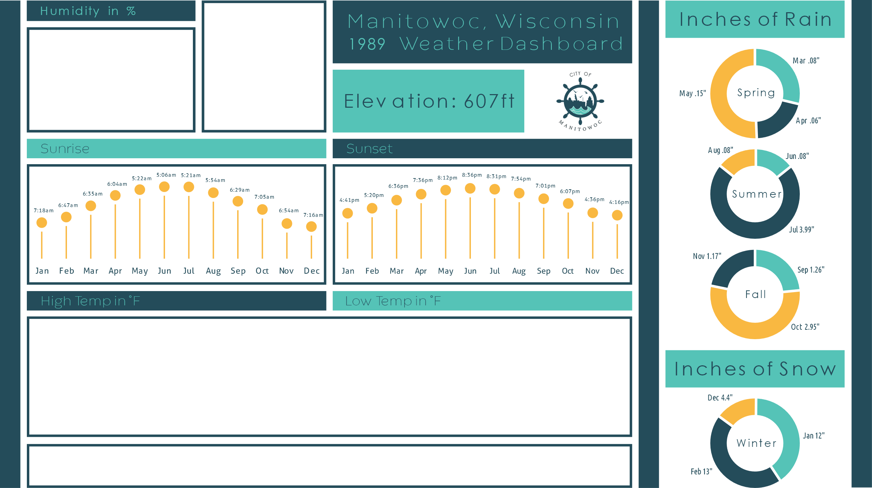

 | Total
Jan | 74
Feb | 74
Mar | 75
Apr | 66
May | 65
Jun | 66
Jul | 75
Aug | 75
Sep | 75
Oct | 74
Nov | 74
Dec | 74

 | Average of Max Temp (°F) | Average of Min Temp (°F)
Jan | 19 | 10
Feb | 31 | 17
Mar | 40 | 25
Apr | 52 | 35
May | 64 | 46
Jun | 72 | 54
Jul | 72 | 60
Aug | 76 | 60
Sep | 68 | 53
Oct | 57 | 42
Nov | 43 | 31
Dec | 33 | 21

